UGG

X | FOTO | ART | DESCR | MATERIALE | COLORE | DESCR. COLORE | COSTO | VENDITA |  |  |  |  |  |  |  |  |  |  |  |  |  |  |  |  |  | TOTALE | TOTALE COSTO
X |  | 1116109LE | CLASSIC BOOT | SHEEPSKIN | SAN | SAND | € 73.50 | € 180.00 |  | 5 | 5.5 | 6 | 6.5 | 7 | 7.5 | 8 | 8.5 | 9 | 9.5 | 10 | 10.5 | 11 | 11.5 | 12 | 3
X
X |  |  |  |  |  |  |  |  | TOTALE | 3 |  | 6 |  | 6 |  | 8 |  | 3 |  | 3 |  |  |  |  |  | 29 | € 2,131.50
X
X |  | 1122550SUE | DISQUETTE | COW SUEDE/SHEEPSKIN | CHE | CHESTNUT | € 53.00 | € 130.00 |  | 5 | 5.5 | 6 | 6.5 | 7 | 7.5 | 8 | 8.5 | 9 | 9.5 | 10 | 10.5 | 11 | 11.5 | 12 | 3

X
X |  |  |  |  |  |  |  |  | TOTALE | 6 |  | 4 |  | 5 |  | 3 |  | 2 |  | 1 |  |  |  |  |  | 21 | € 1,113.00
X
X |  | 1152685PL | SANDAL | TPU/RECYCLED POLYESTER | SSAL | SEA SALT | € 45.00 | € 110.00 |  | 5 | 5.5 | 6 | 6.5 | 7 | 7.5 | 8 | 8.5 | 9 | 9.5 | 10 | 10.5 | 11 | 11.5 | 12 | 3
X
X |  |  |  |  |  |  |  |  | TOTALE | 30 |  | 49 |  | 56 |  | 22 |  |  |  |  |  |  |  |  |  | 157 | € 7,065.00
X
X |  | 1167399SUE | SANDAL | SUEDE | CHE | CHESTNUT | € 53.00 | € 130.00 |  | 5 | 5.5 | 6 | 6.5 | 7 | 7.5 | 8 | 8.5 | 9 | 9.5 | 10 | 10.5 | 11 | 11.5 | 12 | 3
X
X |  |  |  |  |  |  |  |  | TOTALE | 16 |  | 24 |  | 51 |  | 16 |  | 4 |  |  |  |  |  |  |  | 111 | € 5,883.00
X
X |  | 1167550SUE | CLOG | SUEDE | SAN | SAND | € 69.50 | € 170.00 |  | 5 | 5.5 | 6 | 6.5 | 7 | 7.5 | 8 | 8.5 | 9 | 9.5 | 10 | 10.5 | 11 | 11.5 | 12 | 3
X
X |  |  |  |  |  |  |  |  | TOTALE | 13 |  | 16 |  | 18 |  | 6 |  |  |  |  |  |  |  |  |  | 53 | € 3,683.50
X
X |  | 1174470SUE | TASMAN II | COW SUEDE/TEXTILE | SDDR | SAND / DARK CHERRY | € 57.00 | € 140.00 |  | 5 | 5.5 | 6 | 6.5 | 7 | 7.5 | 8 | 8.5 | 9 | 9.5 | 10 | 10.5 | 11 | 11.5 | 12 | 3
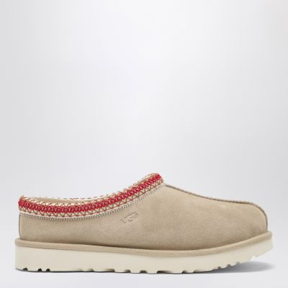
X
X |  |  |  |  |  |  |  |  | TOTALE | 11 |  | 16 |  | 18 |  | 15 |  | 11 |  | 9 |  |  |  |  |  | 80 | € 4,560.00
X
X |  | 1174471SUE | TAZZ II | COW SUEDE/TEXTILE | SAN | SAND | € 61.00 | € 150.00 |  | 5 | 5.5 | 6 | 6.5 | 7 | 7.5 | 8 | 8.5 | 9 | 9.5 | 10 | 10.5 | 11 | 11.5 | 12 | 3

X
X |  |  |  |  |  |  |  |  | TOTALE | 10 |  | 11 |  | 7 |  | 7 |  | 9 |  | 9 |  |  |  |  |  | 53 | € 3,233.00
X
X
X | TOTALE GLOBALE |  |  |  |  |  |  |  |  |  |  |  |  |  |  |  |  |  |  |  |  |  |  |  |  | 504 | € 27,669.00
X
X | UGG UOMO PRIMAVERA-ESTATE 2026 CALZATURE
X | FOTO | ART | DESCR | MATERIALE | COLORE | DESCR. COLORE | COSTO | VENDITA |  |  |  |  |  |  |  |  |  |  |  |  |  |  |  |  |  | TOTALE | TOTALE COSTO
X |  | 1166912PL | SABOT | RECYCLED POLYESTER/POLYESTER | JSM | JASMINE | € 44.50 | € 120.00 |  | 5.5 | 6 | 6.5 | 7 | 7.5 | 8 | 8.5 | 9 | 9.5 | 10 | 10.5 | 11 | 11.5 | 12 | 12.5 | 13
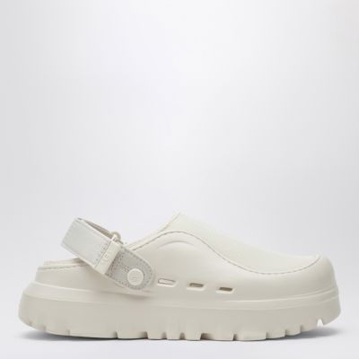
X
X |  |  |  |  |  |  |  |  | TOTALE |  |  |  |  |  | 2 |  | 1 |  | 2 |  | 1 |  | 3 |  |  | 9 | € 400.50
X
X |  | 1174994SUE | SNEAKER | DISTRESSED SUEDE | BCMP | BLACK / CAMPFIRE | € 85.00 | € 230.00 |  | 5.5 | 6 | 6.5 | 7 | 7.5 | 8 | 8.5 | 9 | 9.5 | 10 | 10.5 | 11 | 11.5 | 12 | 12.5 | 13
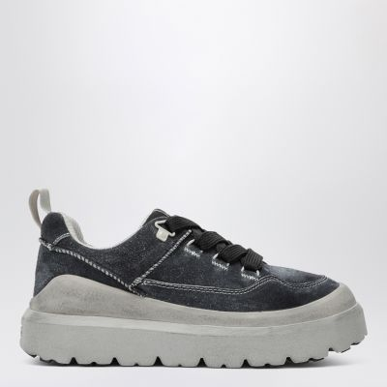
X
X |  |  |  |  |  |  |  |  | TOTALE |  |  |  | 2 |  | 4 |  | 5 |  | 3 |  | 4 |  | 4 |  | 1 | 23 | € 1,955.00
X
X |  | 1174995SUE | SNEAKER | SUEDE | SDRG | SAND / REGAL BLUE | € 66.50 | € 180.00 |  | 5.5 | 6 | 6.5 | 7 | 7.5 | 8 | 8.5 | 9 | 9.5 | 10 | 10.5 | 11 | 11.5 | 12 | 12.5 | 13
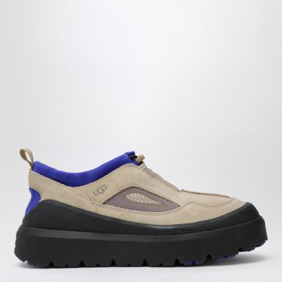
X
X |  |  |  |  |  |  |  |  | TOTALE |  |  |  |  |  |  |  |  |  |  |  | 1 |  | 2 |  | 1 | 4 | € 266.00
X
X |  | 1175054SUE | SLIPPER | SUEDE | CHE | CHESTNUT | € 63.00 | € 155.00 |  | 5.5 | 6 | 6.5 | 7 | 7.5 | 8 | 8.5 | 9 | 9.5 | 10 | 10.5 | 11 | 11.5 | 12 | 12.5 | 13
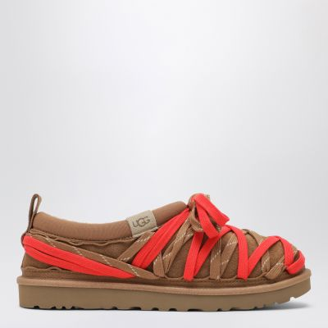
X
X |  |  |  |  |  |  |  |  | TOTALE |  |  |  | 2 |  | 3 |  | 5 |  | 3 |  | 2 |  | 4 |  | 1 | 20 | € 1,260.00
X
X |  | 1175070SUE | SLIPPER | NUBUCK | DDRG | DRIED OREGANO | € 59.00 | € 145.00 |  | 5.5 | 6 | 6.5 | 7 | 7.5 | 8 | 8.5 | 9 | 9.5 | 10 | 10.5 | 11 | 11.5 | 12 | 12.5 | 13

X
X |  |  |  |  |  |  |  |  | TOTALE |  |  |  | 2 |  | 4 |  | 4 |  | 3 |  | 4 |  | 3 |  | 1 | 21 | € 1,239.00
X
X |  | 1175209SUE | CLOG | NUBUCK | DKC | DARK CHESTNUT | € 66.50 | € 180.00 |  | 5.5 | 6 | 6.5 | 7 | 7.5 | 8 | 8.5 | 9 | 9.5 | 10 | 10.5 | 11 | 11.5 | 12 | 12.5 | 13
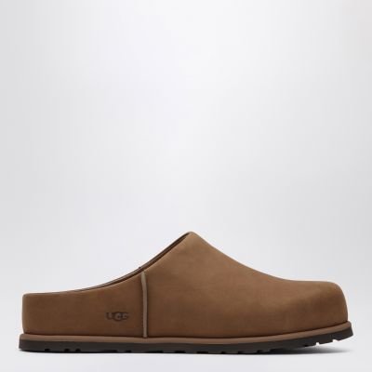
X
X |  |  |  |  |  |  |  |  | TOTALE |  |  |  | 2 |  | 2 |  | 4 |  | 1 |  | 3 |  | 2 |  | 1 | 15 | € 997.50
X
X
X | TOTALE GLOBALE |  |  |  |  |  |  |  |  |  |  |  |  |  |  |  |  |  |  |  |  |  |  |  |  | 92 | € 6,118.00

 |  |  |  |  |  |  |  |  |  |  |  |  |  |  |  |  |  |  |  |  |  |  |  |  |  | 1192

